Bug reports 1-3
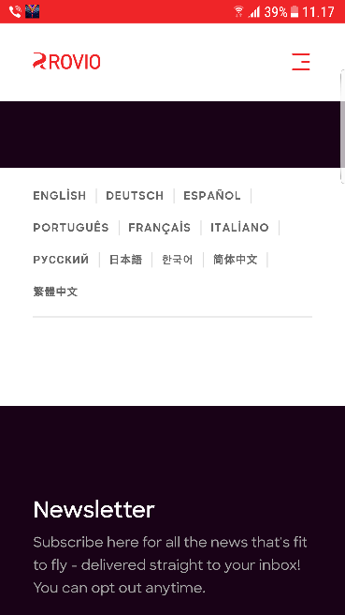
Bug ID | Bug name | Description | Steps to reproduce | Expected result | Actual result | Screenshot | Assign to | Repro rate | Priority | Severity
BR001 | Missing of Turkish language on Terms of Service Page | On Terms of Service page there is no text when Turkish language is chosen | 1)Tap on the AB friends icon | Terms of service box appears
 |  |  | 2)Tap on Terms button | Terms of Service and privacy Notice web page opens (on cloud.rovio.com)
 |  |  | 3)Tap on Terms of Service link | Terms of service web page opens (on cloud.rovio.com)
 |  |  | 4)Tap on all available languages one by one | language of the text changes depending on selected language | When Turkish language is chosen there is no text for Terms of service (all other language show text on selected language) |  | Product owner | 100% | low | low

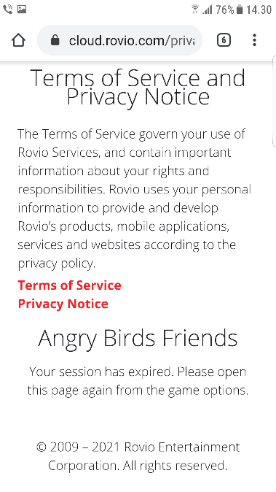
BR002 | To show Personalised Offers link it is needed to reopen game | When Terms of Service and privacy Notice web page opens, Personalised Offers link isn't always available. To show it again is needed to close game and open it again if the terms are not jet accepted. | 1)Tap on the AB friends icon | Terms of service box appears
 |  |  | 2)Tap on Terms button | Terms of Service and privacy Notice web page opens (on cloud.rovio.com). Links for Terms of Service, Privacy Notice and Personalised offers are available. |  |  | Product owner |  | low | low
 |  |  | 3)Wait few minutes | Personalised Offers link is no longer available
 |  |  | 4)tap on Terms button in the game | Terms of Service and privacy Notice web page opens (on cloud.rovio.com). Links for Terms of Service, Privacy Notice and Personalised offers are available. | Same page with no Personalised Offers link opens

BR003 | Changing radio-buttons in Personalised Offers is not clear enough | When changing radio-buttons in personalised Offers the before field closes bough buttons seem to be selected. User can't be sure which button is selected unless opening seam field again. | 1)Tap on the AB friends icon | Terms of service box appears
 |  |  | 2)Tap on Terms button | Terms of Service and privacy Notice web page opens (on cloud.rovio.com) |  | Field closes to fast to capture screen shot
 |  |  | 3)Tap on Personalised offers link | Text is shown under the link and two radio-buttons.
 |  |  | 4)Changing radio-button from Yes to No | Radio-button with "No, thanks..." massage is selected, and area is closed | Bought radio-buttons stay selected and field closes. |  | Product owner | 100% | low | low

Bug report 4
Bug ID | Bug name | Description | Steps to reproduce | Expected result | Actual result | Screenshot | Assign to | Repro rate | Priority | Severity
BR004 | Two words nickname is reported as invalid | When two words are entered as a nickname, regardless of content, it is considered as invalid entry | 1)Tap on Player profile button |  | 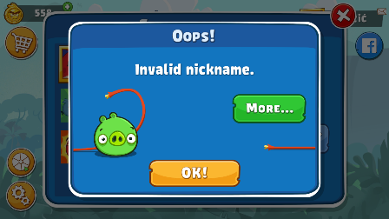
 |  |  | 2)Enter nick-name - single word (Latin letters, Serbian letters): Ljutić Ljutko |  |  |  | Product owner | 100% | low | low
 |  |  | 3)Tap on Save button | Nick-name is shown next to chosen picture (Ljutić Ljutko) | "Invalid nickname" message is shown. When tap on OK, old nickname is shown

Bug report 5
Bug ID | Bug name | Description | Steps to reproduce | Expected result | Actual result | Screenshot | Assign to | Repro rate | Priority | Severity
BR005 | Misbehaviour of treasure chest | When taping on treasure chest in offers and purchases section, sometimes it works as expected: shows the video and gives a reward (power-up). But some times it wont open (although it is closed and video button is green, not grey). Other time it gives lot of rewards | 1)Tap on Bird coin button or Cart button in main screen |  | 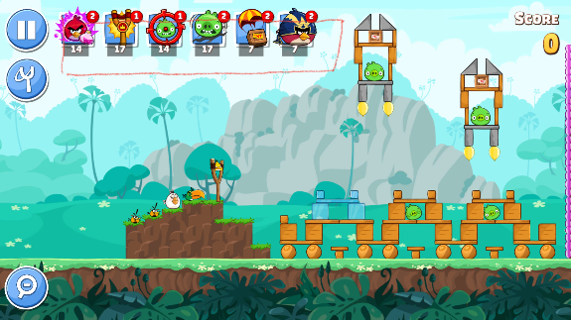
 |  |  | 2)Tap on treasure chest (treasure chest is closed and button for video is green) | video (commercial) is shown and random power-up is added to the list od power-ups | 1)treasure chest can't be opened every time. |  | Product owner | 30% | low | medium
 |  |  |  |  | 2)Suddenly lot of power-ups are added to power-up list
 |  |  |  |  | 3)sometimes treasure chest is opened, video is watched, power-up is awarded, but not added to power-ups list

Bug report 6-7
Bug ID | Bug name | Description | Steps to reproduce | Expected result | Actual result | Screenshot | Assign to | Repro rate | Priority | Severity
BR006 | Power-ups during the move | To employ some birds power it is needed to tap screen during the move. if accidently taping on power-ups during the move the power-up is employed | 1)Tap on the Piggy tower button |  | 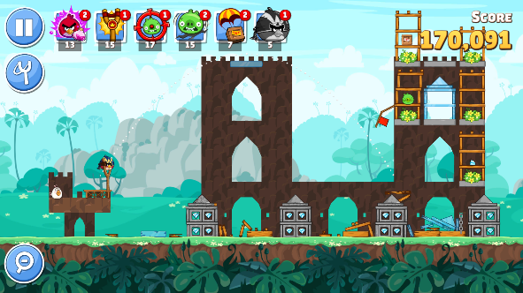
 |  |  | 2)tap on next (or already finished) level |  |  |  | Product owner | 100% | low | medium
 |  |  | 3)launch the bird from slingshot
 |  |  | 4)tap on the one of the power-ups icon from the list in the middle of the bird flight | nothing happened | Power-up is applied during the move (for example, wingman is added as next bird to be slingshot, birdquake is applied during the bird flight). Bird power (why the screen was taped) is employed | not the best screen shot. The phone wouldn't capture the picture

BR007 | Wrong amount of bird coins after completion of the level | Sometimes, after the level is completed and score page is shown the amount of bird coins is lower then it was after last ended level. It happened on guest accounts. On account connected to Facebook bird coins were calculated correctly (so far) | 1)Tap on the Piggy tower button
 |  |  | 2)tap on next (or already finished) level
 |  |  | 3)destroy all pigs to fulfil the condition to finish the level
 |  |  | 4)tap on End level button | Score page shows-up | for example: lvl 12 ended with 608 bird coins, after lvl 13 amount was 600 and then was added the reward of 14 bird coins | no valid screenshot | Product owner | 30% | low | medium
 |  |  |  | Bird coins amount from previous level is shown in left upper corner

